Random Forest(chk)
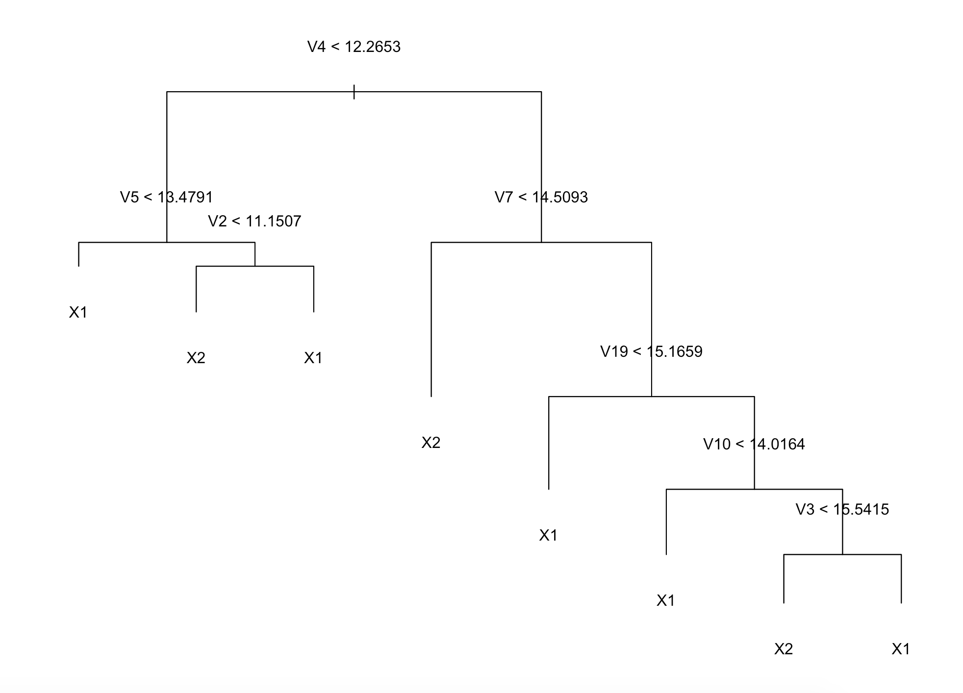
Step 1 Setting up matrix and vectors |  |  |  |  |  |  |  | Step 3 Tuning Parameters (Tree Complexity)
idx_mat | 10 |  | m | 300 |  |  |  | Based on misclassification rate. The best number of tree complexity is 8
24 | 0 | 0 | 24 | 0 | 0
 | 0 | 0 |  | 0 | 0
 | 0 | 0 |  | 0 | 0
prob | 10个m matrix correspond to 10 iterations

Step 2 Data Partition |  |  |  |  |  |  |  | Step 4 Calculate Probability from test set
std_dat2 | 418 |  | resp2 | idx123 | 36 |  |  | plug in the "prob" matrix corresponding iter (1-10) matrix, and corresponding tree (1-300) columns
72 | int |  | 1 | 1 |  | …which position
 |  |  | 2 | idx4 | 18 |  | idx (length=54)
 |  |  | 3 | 1 |  | …which position
std_dat3 |  |  |  |  |  |  |  | Step 5 Testing Results
 | npp=20 |  | resp |  |  |  |  | tb.list |  | p
idx=54 | int |  | 1 | *training set |  |  |  | [[1]] | ans
 |  |  | 0 |  |  |  |  |  | 0
 |  |  | 0 |  |  |  |  |  | 1
test_xdt | 418 |  | test_ydt
24 | int |  | 1 | *test set |  |  |  | [[2]] | ans
 |  |  | 0 |  |  |  |  |  | 0
 |  |  | 1 |  |  |  |  |  | 1
 |  |  |  |  |  |  |  |  | ……
 |  |  |  |  |  |  |  | [[10]] | ans
 |  |  |  |  |  |  |  |  | 0
 |  |  |  |  |  |  |  |  | 1

XGBoost(chk)
Step 1 Setting up matrix and vectors |  |  |  |  |  |  |  |  | Step 3 Model Tuning and Fitting
idx_mat | 10 |  | m | 9 |  |  |  |  | 30 folds cross validation + 10 iteration each = 300 iterations
24 | 0 | 0 | 24 | 0 | 0
 | 0 | 0 |  | 0 | 0 |  |  |  | run xgb.cv with parameters determined earlier (eta=0.1, learning rate slow, max tree depth=3, lambda=0, alpha=0.1)
 | 0 | 0 |  | 0 | 0
prob | 10个m matrix correspond to 10 iterations
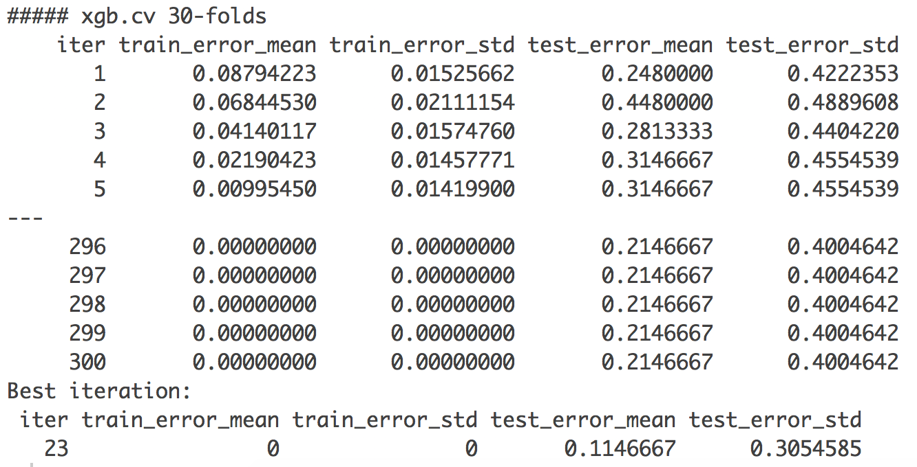
Step 2 Data Partition
std_dat2 | 418 |  | resp2 | idx123 | 36
72 | int… |  | 1 | 1 |  |  | …which position
 |  |  | 2 | idx4 | 18 |  |  | idx (length=54)
 |  |  | 3 | 1 |  |  | …which position
train_dt
 | 418 |  | label
idx=54 | int… |  | 1 | *training set
 |  |  | 0
 |  |  | 0
test_dt | 418 |  | label
24 | int… |  | 1 | *test set
 |  |  | 0
 |  |  | 1
 |  |  |  |  | Step 4 Output and Confusion Table |  |  |  | Step 5 Testing Results
 |  |  |  |  | Prob | [[1]] | 9 |  | tb.list |  | p
 |  |  |  |  |  | 24 | prob… |  | [[1]] | ans
 |  |  |  |  |  |  |  |  |  | 0
 |  |  |  |  |  | [[2]] |  |  |  | 1
 |  |  |  |  |  | …..
 |  |  |  |  |  |  |  |  | [[2]] | ans
 |  |  |  |  |  | [[10]] |  |  |  | 0
 |  |  |  |  |  |  |  |  |  | 1
 |  |  |  |  |  |  |  |  |  | ……
 |  |  |  |  |  |  |  |  | [[10]] | ans
 |  |  |  |  |  |  |  |  |  | 0
 |  |  |  |  |  |  |  |  |  | 1

SVM(chk)
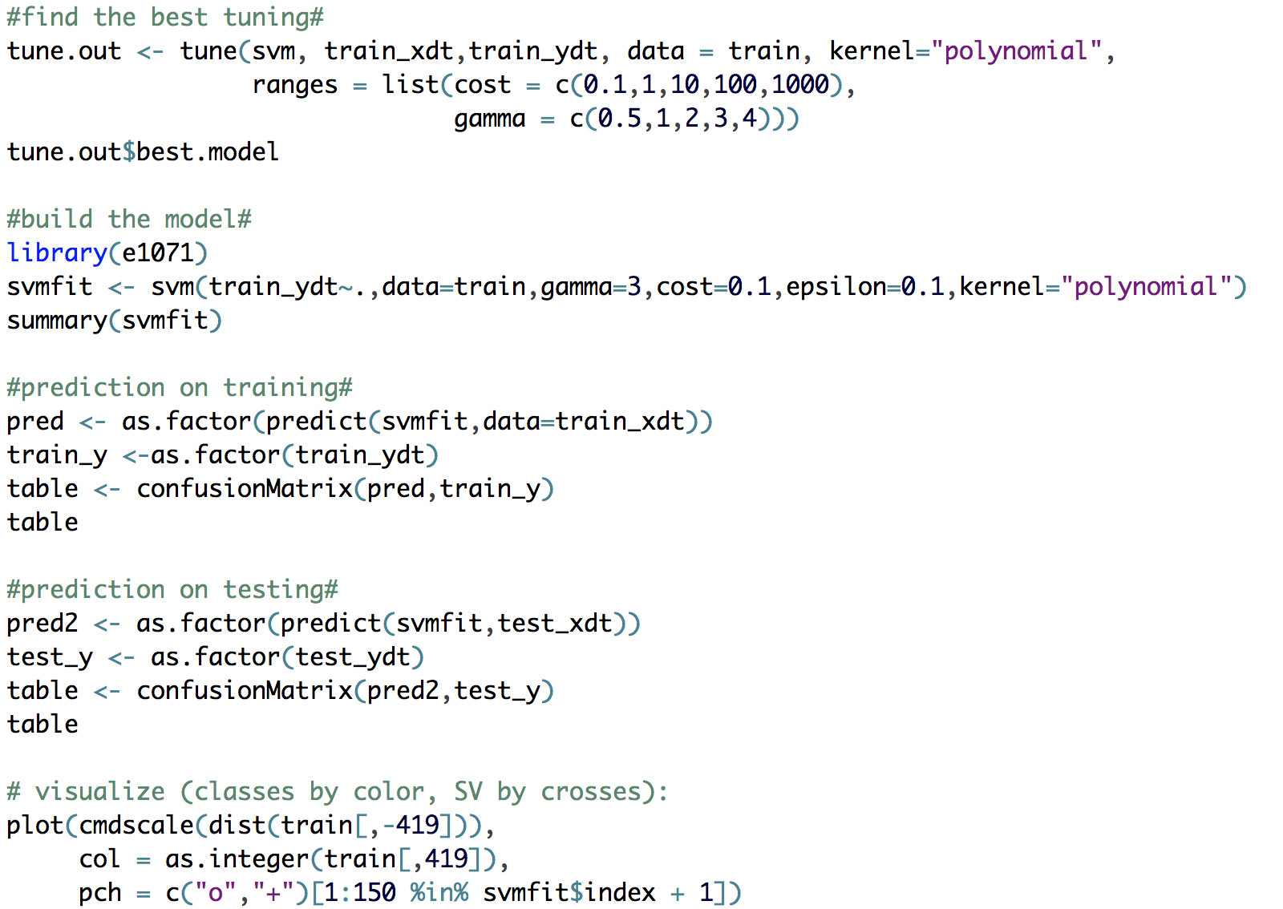
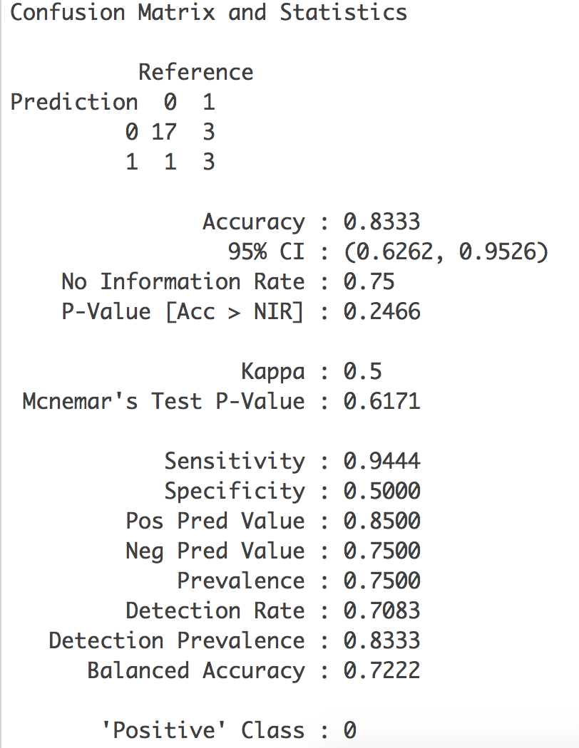
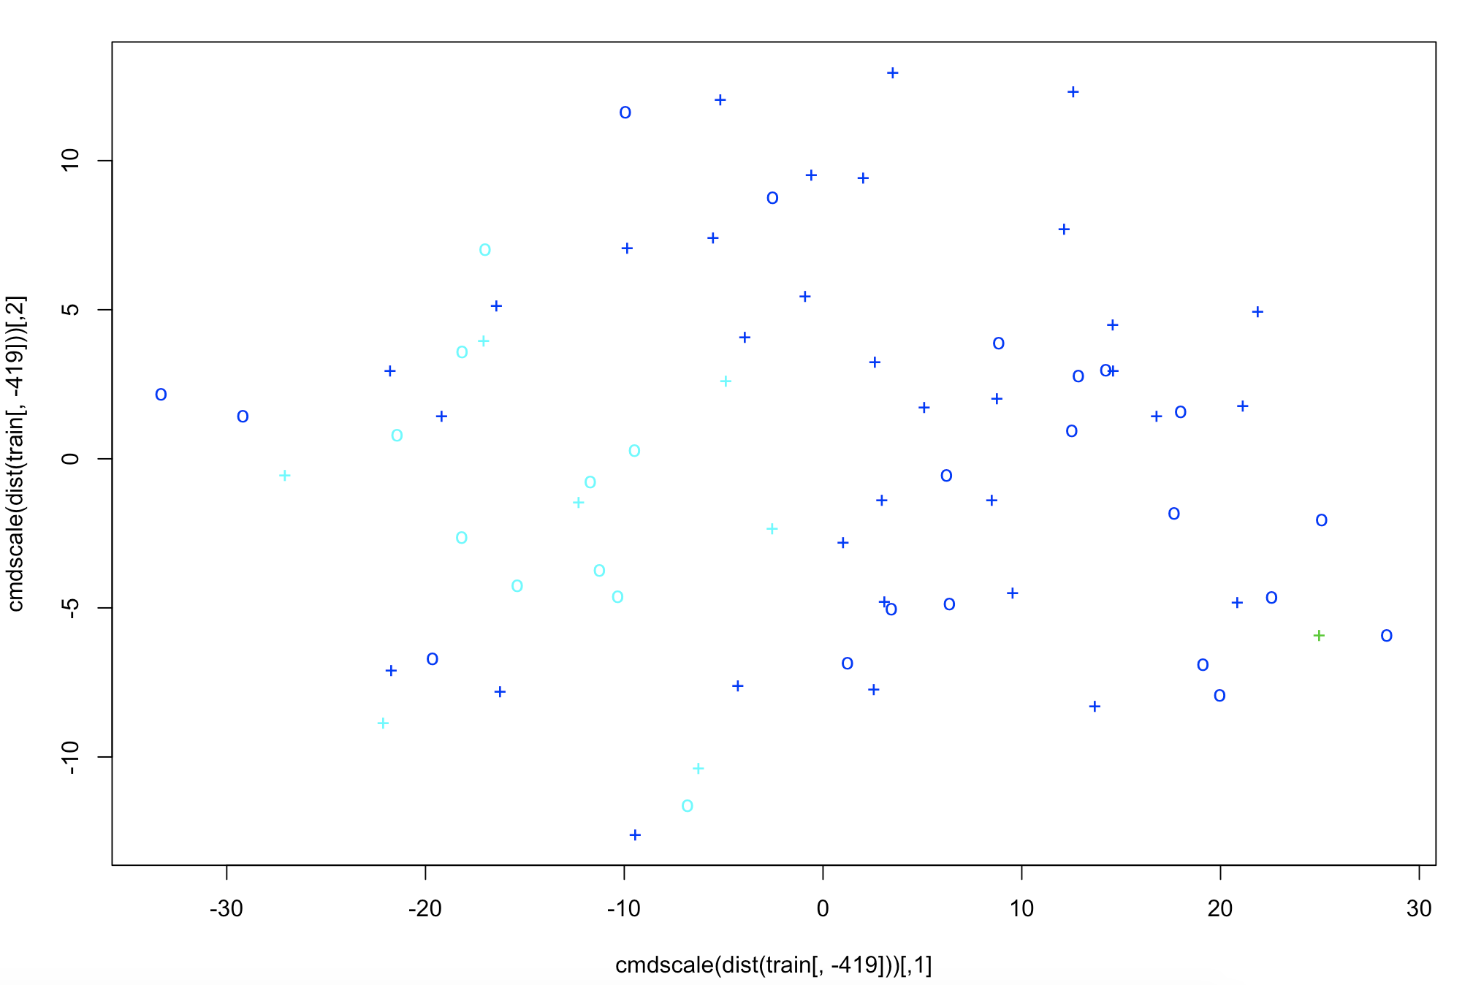
Codes | For Testing Prediction

